ANN
Parameter | Parameters range |  | Inputs normalization |  |  |  | Instructions
 | min | max | min | max |  |  | Step 1: | Input the parameters in the green cells
f'c (MPa): | 17.85 | 46.75 | 0.1 | 0.8 |  |  | Step 2: | See the output load capacity in the blue cell
da (mm): | 8 | 20 |  |  |  |  | Obs: | The inputs must be within the parameters range, i.e. the ANN shall not be used for extrapolation
hef (mm): | 80 | 170
Ag (mm): | 1.0 | 2.5
wcr (mm): | 0.00 | 0.55
P (kN): | 2.7 | 124
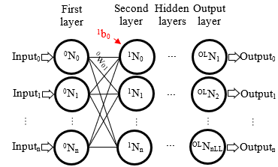
 | Input |  |  |  | Step 1: Inputs |  |  | Inputs normalized | Layer 1 | Layer 2 | Layer 3 | Layer 4 | Step 2: Output
 | Output |  |  |  | f'c (MPa) | 30 |  | 0.436 | 0.436

Legend |  |  |  |  | da (mm) | 16 |  | 0.633 | 0.633 | 0.212
f'c (MPa) | Concrete compressive strength |  |  |  |  |  |  |  |  |  | 0.802
da (mm) | Anchor diameter |  |  |  | hef (mm) | 150 |  | 0.722 | 0.722 | 0.753 |  | 0.611 | P (kN) | 80.2
hef (mm) | Anchor embedment depth |  |  |  |  |  |  |  |  |  | 0.189
Ag (mm) | Annular gap (adhesive thickness) |  |  |  | Ag (mm) | 1 |  | 0.100 | 0.100 | 1.000
wcr (mm) | Concrete crack width
P (kN) | Anchor load capacity |  |  |  | wcr (mm) | 0.2 |  | 0.391 | 0.391

