Equivalent Cone Method (ECM)
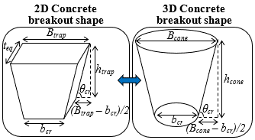
Step 1 |  |  |  | Step 2 |  | Step 3 |  | Step 4 |  | Step 5
Specimen name | bcr = btip | hef = hcone | tini | θcr | htrap | Bcone | Ascone | Btrap | Astrap | teq
 | mm | mm | mm | degree | mm | mm | mm² | mm | mm² | mm
Example 1 | 88 | 450 | 1350 | 37 | 137 | 1282 | 968637 | 452 | 614641 | 2128

 | Input
 | Output

Instructions
Step 1: | Create and run a 2D finite element model with an estimated initial thickness (tini) equal to 3x the anchor embedment depth (hef)
Step 2: | From the finite element results, determine the crack angle (θcr) and vertical crack extent (htrap)
Step 3: | Calculate the equivalent concrete cone surface area (Acone) using Eqs. 1 and 2
Step 4: | Calculate the trapezoidal surface area (Atrap) using Eqs. 3 and 4
Step 5: | Calculate the equivalent thickness (teq) using Eq. 5
Step 6: | Update the thickness of the finite element model to the equivalent thickness and rerun the analysis

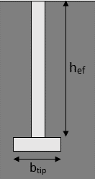
Legend
bcr = btip | Cracking base = anchor tip width
hef = hcone | Anchor embedment depth = concrete cone height
tini | Initial thickness
θcr | Cracking angle
htrap | Vertical crack extent
Bcone | Cone top width
Ascone | Cone surface area
Btrap | Trapezoidal top width
Astrap | Trapezoidal surface area
teq | Equivalent thickness

Examples
Step 1 |  |  |  | Step 2 |  | Step 3 |  | Step 4 |  | Step 5
Specimen name | bcr = btip | hef = hcone | tini | θcr | htrap | Bcone | Ascone | Btrap | Astrap | teq
 | mm | mm | mm | degree | mm | mm | mm² | mm | mm² | mm
NPC440 | 55 | 200 | 600 | 29 | 122 | 762 | 256713 | 486 | 297351 | 518
D20L100W70 | 70 | 100 | 300 | 28 | 65 | 439 | 79990 | 310 | 81884 | 293
D16L80W56 | 56 | 80 | 240 | 24 | 50 | 411 | 58710 | 278 | 58436 | 241
D24H150 | 33 | 150 | 450 | 28 | 45 | 596 | 148087 | 202 | 86063 | 774
D72H450 | 88 | 450 | 1350 | 37 | 137 | 1284 | 969541 | 452 | 615061 | 2128
Ae12 | 14 | 60 | 180 | 45 | 15 | 133 | 13853 | 44 | 7604 | 328

 |  | NPC440 |  |  |  |  |  | D20L100W70 |  |  | D16L80W56
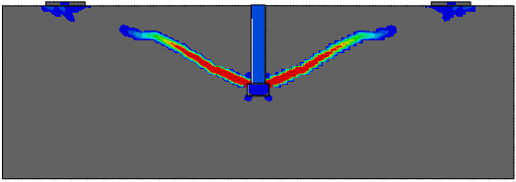
122
29°
65
28°
50
24°

 |  | D24H150 |  |  |  |  |  | D72H450 |  |  | Ae12
45
28°

37°
137
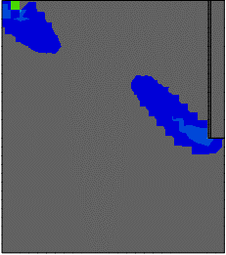
45°
15

