ANN
Beam-Column Joint Hinge Generator Using an Artificial Neural Network
The ANN computes the shear strength of beam-column joints (both exterior and interior with or without transverse reinforcement). The calculated value is used to derive the shear stress-strain and moment rotation curves.

Variables | Range |  | unit |  |  |  |  |  | Instructions
 | Min | Max |  |  |  |  |  |  | Step 1: | Input the variables in the green cells
fc | 15.8 | 101.9 | MPa |  |  |  |  |  | Step 2: | See the output joint shear strength in the orange cell
fyjt | 235 | 1374 | MPa |  |  |  |  |  | Note: | The inputs must be within the variables range. The ANN cannot not be used for extrapolation.
rjt | 0.0% | 2.6%
fyb | 286 | 1091 | MPa |  | Variables | Input | Normalized |  |  | Hidden Layer |  |  | Output Layer |  | Output
rb | 0.4% | 4.3%
hb | 150 | 750 | mm |  |  |  |  |  |  | 0.16
bb | 100 | 610 | mm | 26.7 | fc | 55.8 | 0.46 |  |  | 0.11
fyc | 274 | 1092 | MPa | 0 |  |  |  |  |  | 0.01
rc | 0.3% | 7.7% |  | 0 | fyjt | 437 | 0.18 |  |  | 0.36
hc | 140 | 700 | mm | 387 |  |  |  |  |  | 0.26
bc | 100 | 900 | mm | 0.009 | rjt | 1.2% | 0.46 |  |  | 0.02
ALF | 0.00 | 0.70 |  | 380 |  |  |  |  |  | 0.01
JT* | 0 | 1 |  | 260 | fyb | 437 | 0.19 |  |  | 0.00
t | 1.3 | 17.4 | MPa | 387 |  |  |  |  |  | 0.01
* Interior=0, and Exterior = 1 |  |  |  | 0.013 | rb | 3.0% | 0.67 |  |  | 0.80
 |  |  |  | 300 |  |  |  |  |  | 0.01
Definitions |  |  |  | 300 | hb | 508 | 0.60 |  |  | 0.13 |  |  |  |  | tpred
fc | Concrete compressive strength |  |  | 0 |  |  |  |  |  | 0.02 |  |  | 0.39 |  | 7.6 | MPa | (Suwal and Guner, 2023b)
fyjt | Joint transverse reinforcement yield strength |  |  | 1 | bb | 318 | 0.43 |  |  | 0.02
rjt | Joint transverse reinforcement ratio |  |  | 3.37 |  |  |  |  |  | 0.08
fyb | Beam longitudinal reinforcement yield strength |  |  |  | fyc | 437 | 0.20 |  |  | 0.06
rb | Beam longitudinal reinforcement ratio |  |  |  |  |  |  |  |  | 0.00 |  |  | Compute the equivalient moment (M) |  |  |  | (Suwal and Guner, 2023a)
hb | Beam depth |  |  |  | rc | 2.8% | 0.34 |  |  | 0.03
bb | Beam width |  |  |  |  |  |  |  |  | 0.03 |  |  | Lb | 1778
fyc | Column longitudinal reinforcement yield strength |  |  |  | hc | 356 | 0.39 |  |  | 0.02 |  |  | Lc | 3581
rc | Column longitudinal reinforcement ratio |  |  |  |  |  |  |  |  | 0.11
hc | Column depth |  |  |  | bc | 356 | 0.32 |  |  | 0.03 |  |  | M | 905.1 | kNm | (Celik and Ellingwood, 2008)
bc | Column width |  |  |  |  |  |  |  |  | 0.42
ALF | Axial load factor (P/fcbchc) |  |  |  | ALF | 0.04 | 0.06 |  |  | 0.06
JT | Joint type (=0 for interior, =1 for exterior joint) |  |  |  |  |  |  |  |  | 0.08
t | Shear strength |  |  |  | JT | 1 | 1.00 |  |  | 0.48 | Final Output
M | Equivalent moment |  |  |  |  |  |  |  |  | 0.10 | Points | t (MPa) | g | M (kNm) | q
Lb | Span of beam between points of contraflexure |  |  |  |  |  |  |  |  |  | Origin (O) | 0.0 | 0 | 0.0 | 0
Lc | Span of column between points of contraflexure |  |  |  |  |  |  |  |  |  | Cracking (A) | 3.6 | 0.00043 | 426.6 | 0.00043 | (Anderson et al., 2008))
P | Axial load applied to column |  |  |  |  |  |  |  |  |  | Yield (B) | 7.2 | 0.006 | 859.8 | 0.006
g | Shear strain |  |  |  |  |  |  |  |  |  | Maximum (C) | 7.6 | 0.02 | 905.1 | 0.02 | (Jeon et al., 2013)
q | Rotation |  |  |  |  |  |  |  |  |  | Residual (D) | 1.5 | 0.185 | 181.0 | 0.185
tpred | Predicted shear strength
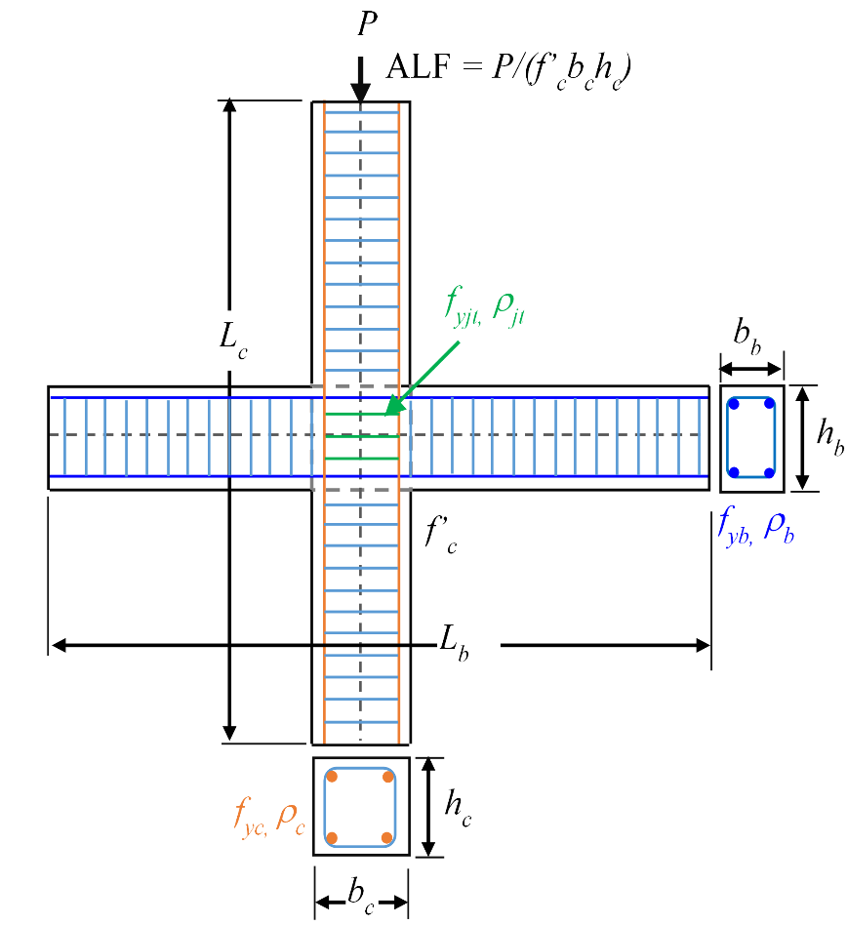
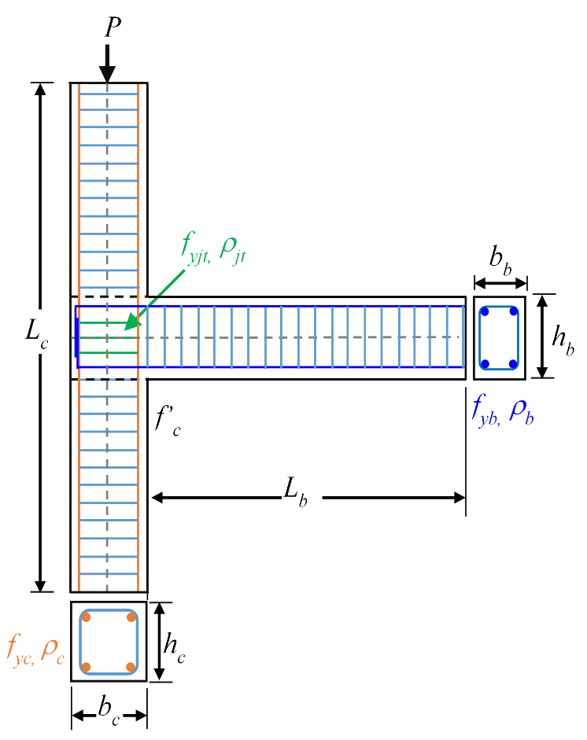
Rotational Spring
Rotational Spring
Shear stress-strain curve
Moment-rotation curve

 |  |  |  |  |  |  |  | References:
 |  |  |  |  |  |  |  | 1. Suwal, N. and Guner, S. (2023b) “Plastic hinge modeling of beam-column joints using Artificial Neural Networks,” Engineering Structures (submitted).

 |  |  |  |  |  |  |  | 2. Suwal, N. and Guner, S. (2023a) “Nonlinear modeling of beam-column joints in forensic analysis of concrete buildings,” Computers and Concrete (accepted; in press).

(a)
(b)
 |  |  |  |  |  |  |  | 3. Celik, O.C. and Ellingwood, B.R. (2008), "Modeling beam-column joints in fragility assessment of gravity load designed reinforced concrete frames," Journal of Earthquake Engineering, 12(3), pp. 357–381.

 |  |  |  |  |  |  |  | 4. Anderson, M., Lehman, D., and Stanton, J. (2008), "A cyclic shear stress-strain model for joints without transverse reinforcement," Engineering Structures, 30(4), pp. 941–954.

 |  |  |  |  |  |  |  | 5. Jeon, J.S. (2013), "Aftershock vulnerability assessment of damaged reinforced concrete buildings in California," Ph.D. Dissertation, Georgia Institute of Technology, Atlanta.
Figure: Sketches of specimens used in the training of the ANN: (a) interior and (b) exterior
 |  |  |  |  |  |  |  |  |  | .

About
JOINT HINGE GENERATOR USING AN ARTIFICIAL NEURAL NETWORK (ANN)
ANN Joint Hinge Generator is developed to execute the mathematical calculations to predict the beam-column joint shear strengths and derive the shear stress-strain and moment-rotation curves for inputting into global frame analysis software. Although significant effort is made during the development, verification, and validation of this spreadsheet, the developers do not assume any responsibility for the accuracy, numerical stability, or the proper application of this spreadsheet or the values calculated.


Nirmala Suwal & Serhan Guner, Copyright (c) 2023

Please use the following text for citing this spreadhseet:
Suwal, N. and Guner, S. (2023) “Beam-column joint hinge generator using an artificial neural network,” Excel spreadsheet, Department of Civil and Environmental Engineering, University of Toledo, OH, USA. <https://www.utoledo.edu/engineering/faculty/serhan-guner/docs/8S-ANNJointHingeGenerator.xlsx>

Also see the User Bulletin prepared for this spreasheet.
Suwal, N. and Guner, S. (2023) “User Bulletin 11: Joint Hinge Generator Spreadsheet using an Artificial Neural Network,” Documentation, 6 pp. <https://www.utoledo.edu/engineering/faculty/serhan-guner/docs/B11_ANNJointHingeGenerator.pdf>

This spreadsheet is programmed by Nirmala Suwal as a part of a research project supervised by Dr. Serhan Guner.

Copyright © 2023
Version 1.0

